9.SOP for FPI
 |  | SOP FOR FIRST PIECE INSPECTION | Doc No. | CGCEL/SOP/DWM/01
 |  |  | Rev.No : | 00
 |  |  | Rev. Date :
 |  |  | Issue Date: | 2020-07-09
Input/ Trigger | Responsibility | Activity | Document/Record Generated | Reference/ Instructions
Start
Collection of first workpiece/component | Operator |  | No record | Verify intermitently by operator

Collect the first piece/component for inspection at start of the shift/for new workpiece/for change in design/updation of computer progam

Drawing | Operator
 |  |  | Drawing
Collect specified drawing with latest revision no for collected component

Make first piece inspection report
Inspection report | Operator |  | FPI report

Decision making about acceptance or rejection of workpiece
 |  |  | Remark on report

Stop

PAGE : 1 of 1

15. SOP for POKA YOKE
 |  | SOP FOR POKA-YOKE | Doc No. | CGCEL/SOP/DWM/02
 |  |  | Rev.No : | 00
 |  |  | Rev. Date : | 2020-09-07
 |  |  | Issue Date: | 2020-09-07
Input/ Trigger | Responsibility | Activity | Document/Record Generated | Reference/ Instructions
Start
Selection of wrong Name plate Operator Mistake Name plate gets mixed from vendor | Line Operator |  |  | Verify intermitently by operator

 |  |  | No record
The machine will not consider for printing

 | Line Operator |  | No record

The printed nameplate issued to the line by operator.

 | Line Operator

Stop
PAGE : 2 of 4

20. SOP for Insp Jigs
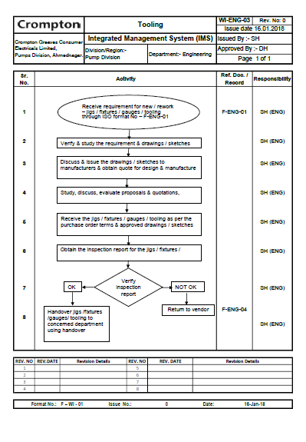

24. Reaction Plan SOP
 |  | QUALITY MANAGEMENT SYSTEM Rework | Doc No.
 |  |  | Rev.No : | 00
 |  |  | Rev. Date :
 |  |  | Origin Date :
Input/ Trigger | Responsibility | Activity | Document/Record Generated | Reference/ Instructions

Input
*Non confirming products from In-process Inspection / Process Audit, Final Inspection / Product Audit
10
Collect the rework able defects from manufacturing/ assembly line to rework Area
 |  |  |  | 10 Control of Non-Conforming Product Process
 | 10 - 20
 |  |  | 10 Rewok Tag
 | Line Operatpr

20
 |  |  | 20- 60 Test Bed rejection
Identify the defect to be reworked

 | 30- 40

30
Do the rework/ replacement of NC materials in rework area / station.
 | Operator

 |  |  |  | 30-40 Rework Work Instruction
Do the rework/ replacement of NC material as per Rework Instruction.
40

50
Move reworked material to respective line for reinspection
 | 50-60

 | Quality Engineer

60
Is Reworked part is ok?
No

Yes

70
 | 70-80
Move material to next operation
 | Line Operator

80

Put Identification mark on Ok material after rework & keep the material ready for conversion into FG. Paint releated rework is done on line followed by 100% visual inspection.

 | 90

 | Quality Engineer |  | 80 Sticker / Name plate

90
 |  |  |  | Control Plan
Do rework, reinspect and follow step 60

100
Raise Material return note/ Scrap note for rejected components

 | 100-120 Material executive

110

Identify rejected parts for disposal

 |  |  | 100-120 Material Rejection Note & SAP Entry

120

Dispose the material with qty date and traceability

Stop

PAGE : 2 of 4

25. Limit sample for Chro defe
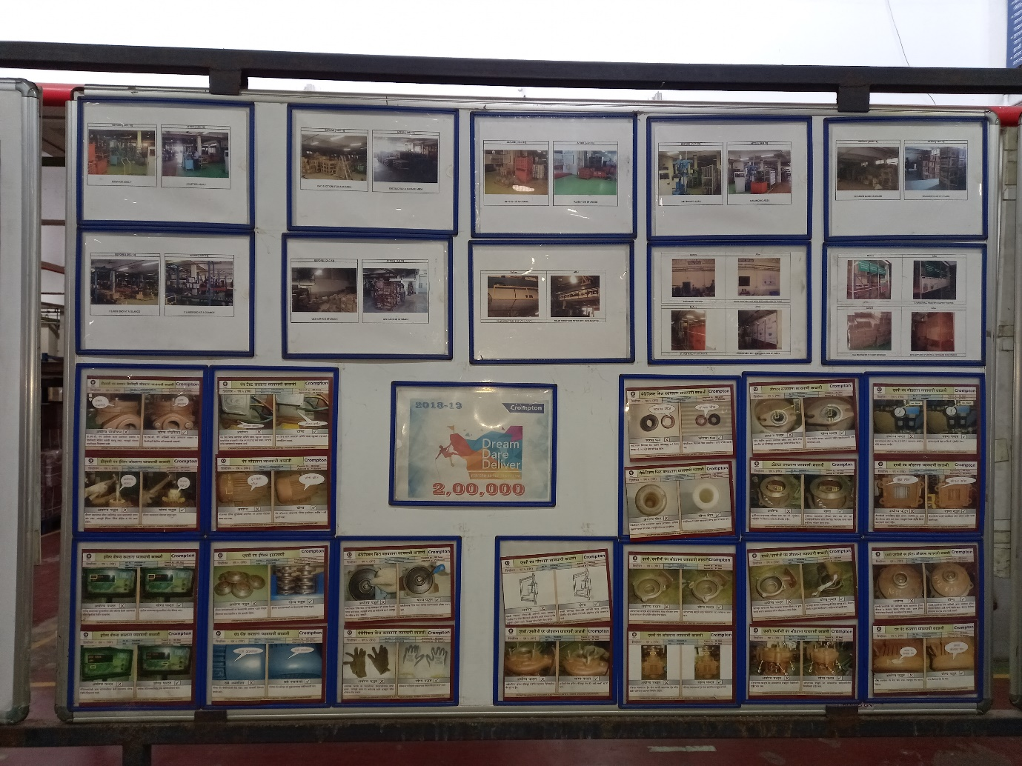
Display of Limit/ Cut samples for Chronic Defects

27. Rework Manual
 |  | QUALITY MANAGEMENT SYSTEM Rework | Doc No.
 |  |  | Rev.No : | 00
 |  |  | Rev. Date :
 |  |  | Origin Date :
Input/ Trigger | Responsibility | Activity | Document/Record Generated | Reference/ Instructions

Input
*Non confirming products from In-process Inspection / Process Audit, Final Inspection / Product Audit
10
Collect the rework able defects from manufacturing/ assembly line to rework Area
 |  |  |  | 10 Control of Non-Conforming Product Process
 | 10 - 20
 |  |  | 10 Rewok Tag
 | Line Operatpr

20
 |  |  | 20- 60 Test Bed rejection
Identify the defect to be reworked

 | 30- 40

30
Do the rework/ replacement of NC materials in rework area / station.
 | Operator

 |  |  |  | 30-40 Rework Work Instruction
Do the rework/ replacement of NC material as per Rework Instruction.
40

50
Move reworked material to respective line for reinspection
 | 50-60

 | Quality Engineer

60
Is Reworked part is ok?
No

Yes

70
 | 70-80
Move material to next operation
 | Line Operator

80

Put Identification mark on Ok material after rework & keep the material ready for conversion into FG. Paint releated rework is done on line followed by 100% visual inspection.

 | 90

 | Quality Engineer |  | 80 Sticker / Name plate

90
 |  |  |  | Control Plan
Do rework, reinspect and follow step 60

100
Raise Material return note/ Scrap note for rejected components

 | 100-120 Material executive

110

Identify rejected parts for disposal

 |  |  | 100-120 Material Rejection Note & SAP Entry

120

Dispose the material with qty date and traceability

Stop

PAGE : 2 of 4

